Cover
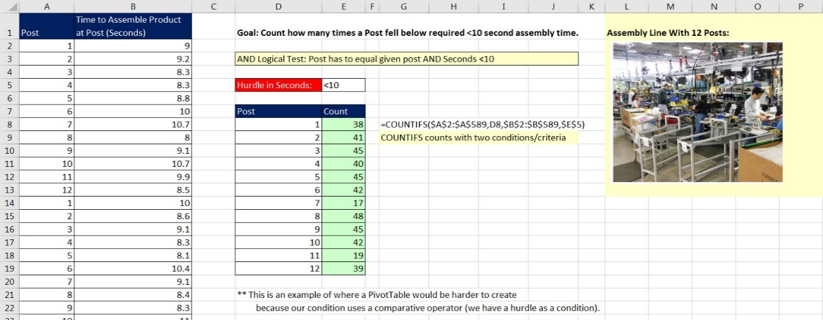

Excel Basics 19: SUMIFS, COUNTIFS, AVERAGEIFS, MINIFS, MAXIFS functions to make calculations with one or more conditions or criteria
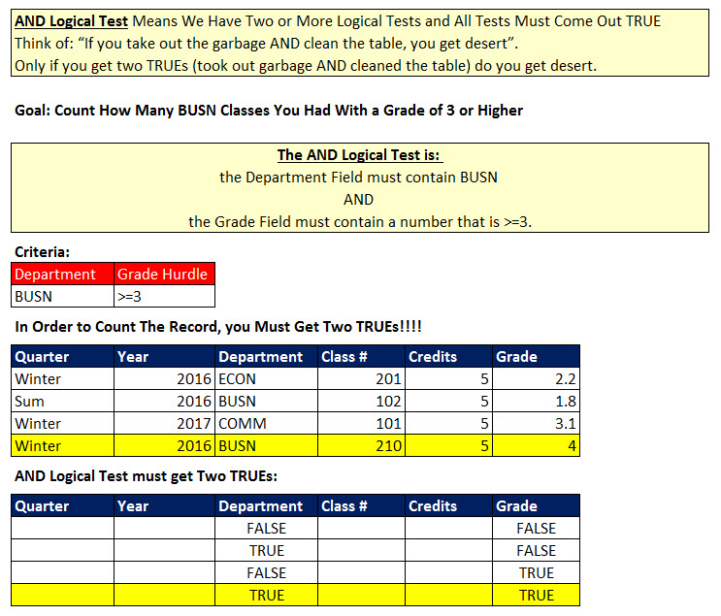
 |  | Examples: | Office 2016 Video #31
 | 1 | Goal: Count How Many BUSN Classes You Had With a Grade of 3 or Higher
 | 2 | Goal: Add Total Credits for BUSN Classes in the Year 2016.
 | 3 | Goal: Average Grades for BUSN Classes in the Year 2016.
 | 4 | Goal: Add Total COGS for Quad Product in the Year 2017.
 | 5 | Goal: Add Total Sales for each Product in the Year 2018.
 | 6 | Goal: Count number of Sales >2000 for each product in the year 2018
 | 7 | Goal: Add Sales for each Product automatically
 | 8 | Goal: Count how many times a Post fell below required <10 second
 | 9-10 | Goal: Find Min Time for Each Post. Formulas update automatically.

